Visualizations
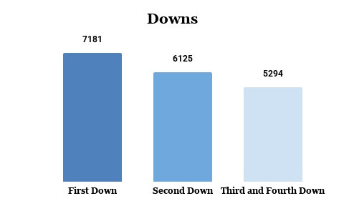
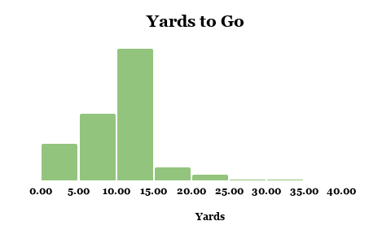
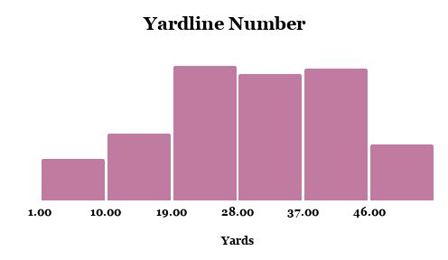
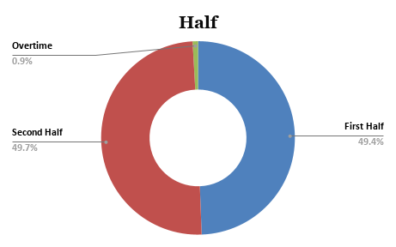

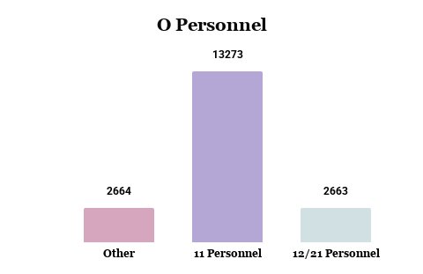
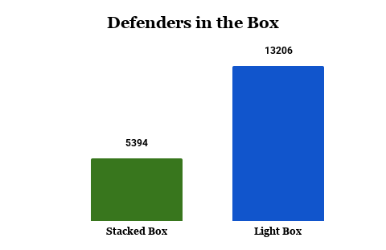
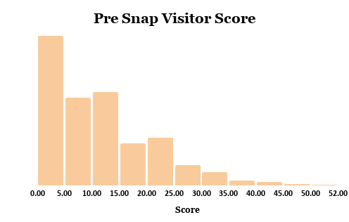
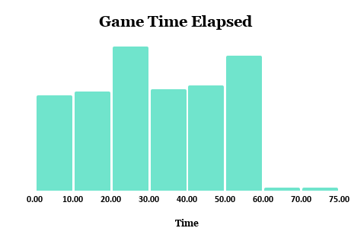

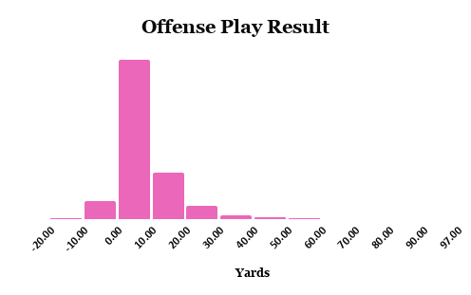
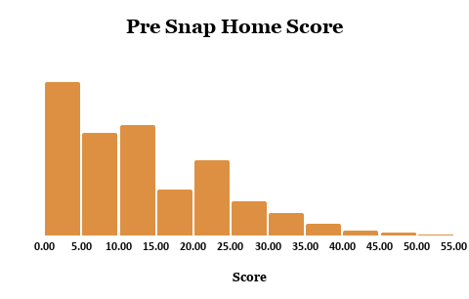
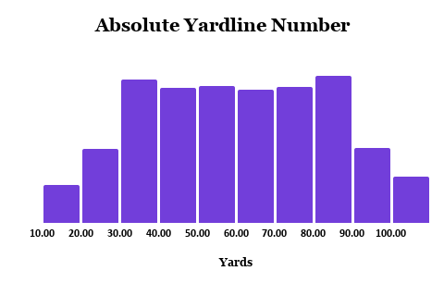

Commentary
Python was used to clean the data. There were a few values that needed to be combined to create one category. Also, there was missing data, so several rows were deleted. The game clock data was converted into a single continuous number showing total elapsed game time in minutes.
The graphs show several categories that are dominant. From the dataset, first down is the most common down, which is to be expected since each new set of downs begins with the first down. Most plays occur during regulation, with very few in overtime. The 11 personnel offensive formation is preferred, as well as having 6 or fewer defenders in the box(light box defense).
There are some patterns. Both pre-snap home and visitor scores are right skewed, showing that it’s not very common to have higher scores when the plays were run. Yardline number and absolute yardline number are both fairly distributed, indicating that most plays are common and not out of the ordinary. Lastly, not many offensive play results gained a large number of yards, which can be further explored by looking at its relationship with other variables like yard to go and defenders in the box. Knowing that first down is most common, we can also see which down has the highest average yards to go to calculate how much distance needs to be gained on each down.

